Sheet1
Updating cost center set up guide

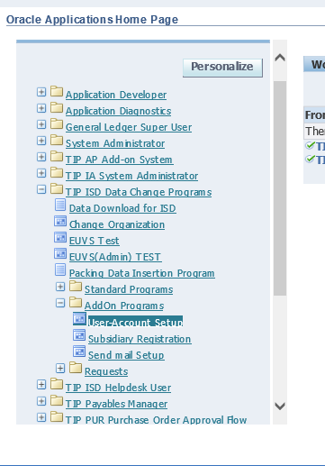

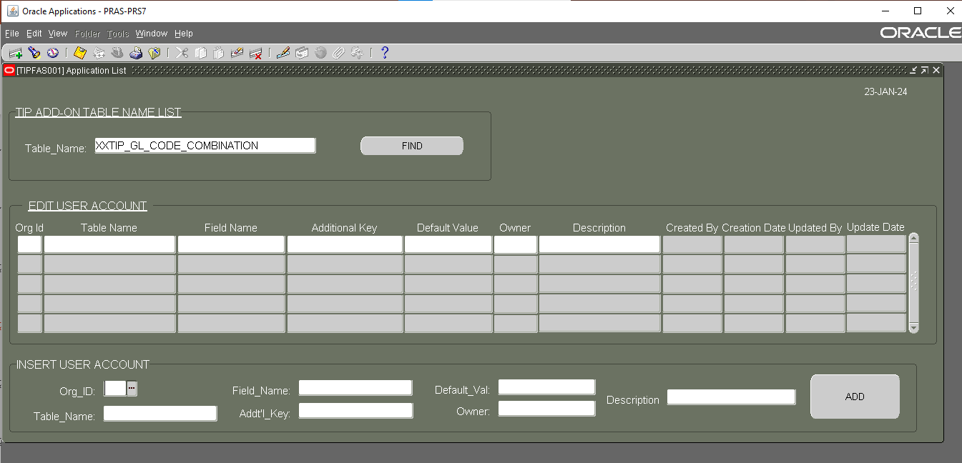

 | On table name find XXTIP_GL_CODE_COMBINATION

